Overview
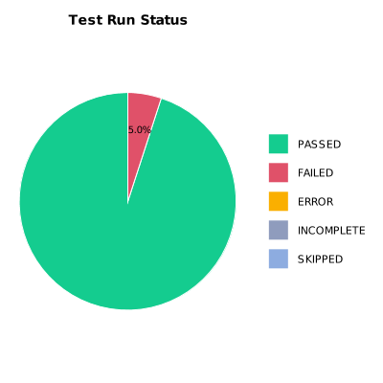
EXECUTION SUMMARY
Test Run ID | 730
Status | FAILED
Organization | FIT@HCMUS
Team | First Team
Project | First Project
By | Trinh Thi Tuyet Nhung
Start Time | 01/07/2024 08:54:16 +00:00
Duration | 0:04:24.019

TEST RESULTS
Total test results | 20
Passed | 19
Failed | 1
Error | 0
Incomplete | 0
Skipped | 0

